EXERCISE 08
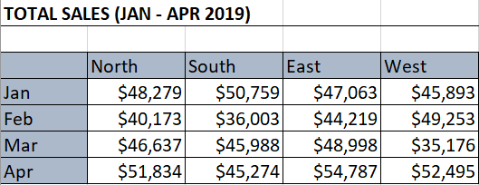
EXERCISE 08

PASTE OPTIONS
1. Select the data in the table on the 'Fruit_Sales_Data' worksheet.
2. Copy the data and paste it into the empty table so that the original column widths are preserved.
3. Copy the data again and paste the values only into the empty table.
4. Copy the data again and paste it so it runs horizontally across the page with the headings in column A.

LINKING DATA
1. Add subtotals to the 'Client List: Revenus vs Profit' data on the 'Linking_Data' worksheet.
2. On the 'Summary' worksheet, link to the total profit for each client.
3. Create a button on the 'Linking_Data' worksheet that hyperlinks to the 'Summary' worksheet.
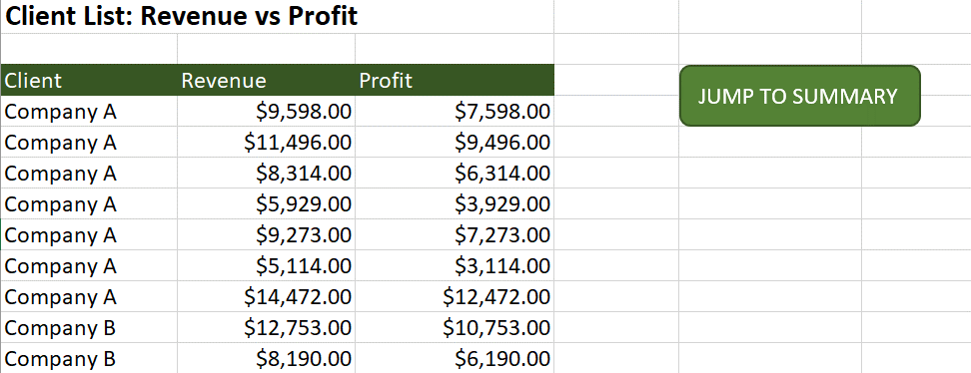

3D REFERENCING
1. Use 3D Referencing to complete the summary table on the 'Total_Sales' worksheet.

